Department Presence
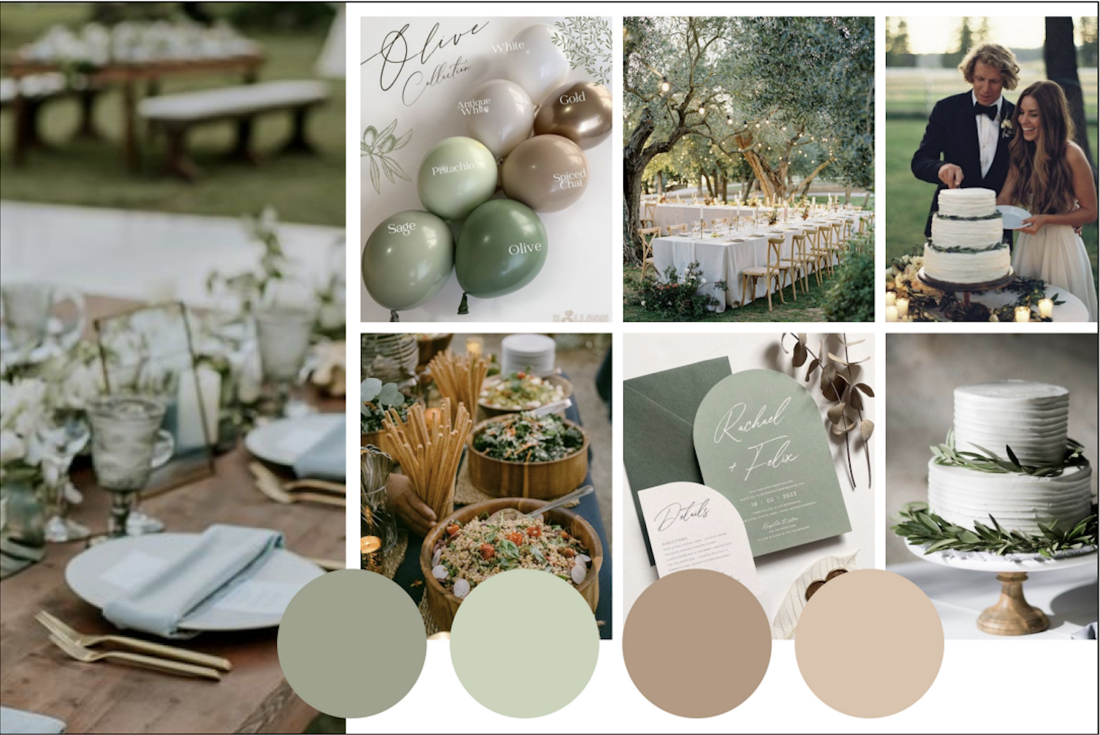
Department Presence Analysis

 | Department | On Vision Board? | Presence On Vision Board | Direct Elements | Inferred Elements | Vision Importance
 | Flowers | Y | small amount of white flowers | table center piece |  | 3
 | Venues | Y | outdoors in nature surrounded by trees | outside |  | 4
 | Music | N | none |  | the reception | 3
 | Jewelry | N | none |  | the wedding ring | 2
 | Photo & Video | N | very little |  | the photos itself | 2
 | Hair & Makeup | Y | the brides minimul makeup |  | the brides look | 3
 | Dress & Attire | Y | the wedding dress and tuxedo | the bride + groom clothing |  | 5
 | Catering | Y | the spread of food | food in bowls(buffet style) | plates | 5
 | Rentals | Y | tables and chairs | tables, chairs, lights, candles, balloons, table cloth, |  | 3
 | Invitations | Y | save the date card | save the date card |  | 4
 | Cake | Y | one 2 -3 tier cake | wedding cake, |  | 5
 | Wedding Planners | N | none |  | assumed planned | 2

